Introduction
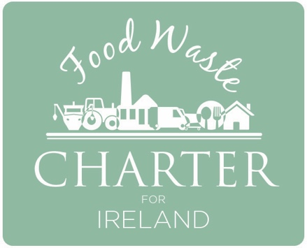 Food Service Pathway Food waste measurement tool
This food waste measurement tool is to be used by food service providers to help estimate their food waste volumes.
It is also intended as a means of keeping track of progress towards food waste reduction targets under the Food Waste Charter for Ireland.

How to start – go to the tab ‘Users Guide’ and then follow the steps listed and fill in the relevant Tabs as appropriate. Further User Guidance and information about the Food Services Food Waste Measurement Pathway is available in the Resources section of www.foodwastecharter.ie

User Guide
Instructions for filling in this reporting template

 | Tab 1 Provide details for your food service business and the information you intend to use | In 'Tab 1 - Business & Waste Info', provide basic information on your business and your waste data sources. This includes chosing the food service sector your busineess is in - hotel, restaurant (full service or quick service) canteen or Events & Functions
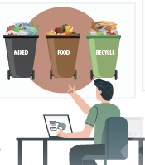 |  | In order to estimate your annual food waste, the pathway uses national statistics specific to the food waste services sector and combines these with your annual waste quantities. This includes your brown bin but also both the general waste and recyclable bins so you will need information on those as well.
 |  | Sections 3 and 4 in this Tab ask about the sources of data you will use for this. In Section 3 you are asked how you will estimate your weights. Ideally this will be through using actual weights provided by your waste contractor. Section 4 asks how the % food waste in the different bins is to be estimated. This is set to use national default statistics though, if you have your own site specific data (which is always better) these can be included. However, for initial estimations, the national default values will provide a good starting point.

 | Tab 2 Estimate your waste weights based on bin lift numbers | Tab '2 - Bin lift calculator' - use this Tab to help convert bin lift data from your bills or waste contractor into estimated waste weights.
 |  | Using the reported weights of different types (brown, general and recycling) and volumes (e.g. 140L, 1,100L) of bins provided by national waste contractors this easy to use calculator will convert your lift based information into estimated waste weights.
 |  | Note: It is always best to get weight based information from your waste contractor for these calculations. Though you may be billed by lift, all waste contractors should be able to provide you with the weight based numbers.

 | Tab 3 Food Waste Calculations | 'Tab '3 - Food Waste Calculations' takes your waste data and converts it into useful results specific for your business.

 |  | Based on the food waste weights you input for your brown, general and recycling bins, three results are produced - Section 5 gives an estimate of the total food waste produced, in Section 6, based on your food service sector, an estimated cost for the avoidable fraction of that food waste and in Section 7 the % food waste segregation occurring in your business (in an ideal world this would be 100% but levels of 80% or more are recommended.

 | Results Tabs Food Waste Calculations | The 'Results Tabs' summarise the key findings graphically and can be used to communicate your results and set improvement targets.

Tab 1 - Business & Waste Info
CIRCULAR ECONOMY PROGRAMME
The Driving Force for Ireland’s Move to a Circular Economy

Food service 'touchstone' template
By starting to track your food waste amounts, you can better manage and reduce your costs, and make a positive impact on sustainability |  | Fill in the blank white cells

1. About your business
Name of company:
Address: | -

Type of food service outlet (select from the dropdown list): | Full service restaurant

2. Time period for your waste data | starting: (beginning of) month/year |  | 2019-01-01 | Time period (days)
 | finishing: (end of) month/ year |  | 2020-01-01 | 365

3. How will you estimate your waste tonnages for each bin type?
Tick all boxes that apply | Contractor's on-board weighing records or internal weighing system | Estimated weight per bin lift (if using this option, see tab 'bin lift' to help you with your calculations) | Other method (please describe below) | We don't use this waste collection/ recycling service; or not estimated
Weight of food waste in brown bin
Weight of general waste
Weight of recycling bin
Please describe any other methods used:

4. How will you estimate the percentage of food waste within brown, general waste and recycling bins?
Tick all boxes that apply | Carried out a compositional analysis | Visual inspection of bins | Using the national default values | Other (describe below)
Weight of food waste in brown bin
Weight of food waste in general waste bin
Weight of food waste in recycling bin
Other: please describe other methods used:

Tab 3 - Food Waste Calculations
CIRCULAR ECONOMY PROGRAMME
The Driving Force for Ireland’s Move to a Circular Economy

Food service 'touchstone' calculator
By starting to track your food waste amounts, you can better manage and reduce your costs, and make a positive impact on sustainability |  | Fill in the blank white cells

5. Tonnage for each bin type | 5A Total waste (tonnes) indicate method used to estimate in Section 4 below | 5B Estimated food waste content (tonnes) indicate method used to estimate in Section 5 below | Scaled up values if bills for less than a year used
Food waste brown bins | 10.80 | 10.15 | 0.00
General waste bins | 15.40 | 4.93 | 0.00
Mixed recycling bins | 13.20 | 1.19 | 0.00
Total food waste - tonnes per year |  | 16 | 0.00

6. Cost of food waste (based on purchasing cost alone) | Cost of food waste for this type of food service - €/kg | Percentage of avoidable food waste for this type of food service | Estimated cost of food waste for this business - €/annum
Full service restaurant | €2.90 | 62% | €47,000

7. How good is your food waste segregation | Food waste Segregation - percentage by bin type for this business
Food waste brown bins | 62%
General waste bins | 30%
Mixed recycling bins | 7%
Food waste segregation level | 62% | Ideally this value should be 80% or more

8. Report weight of any food surpluses donated or sent to animal feed over the relevant time period
Destination | Surplus (tonnes)
Charity donation
Animal feed
Other (please specify)

9. Your observations and comments about the food waste estimates
Please make any comments below that relate to this time period and possible actions for improving the estimate in future

Results - cost of food waste
Cost of food waste per year (based on purchasing cost alone)
Brown Bin | €29,000
General Waste Bin | €14,000
Recycling Bin | €3,000

Results - where food waste goes
Where food waste goes
Brown Bin | 10
General Waste Bin | 5
Recycling Bin | 1

Results - avoidable food waste
Avoidable food waste for this food service type
 | Avoidable | Unavoidable
 | 62% | 38%

