Sheet1
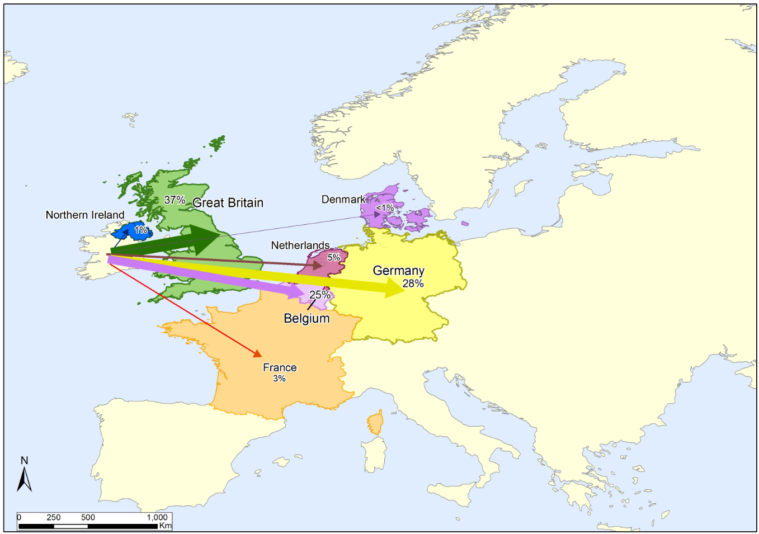
Hazardous Waste Management in Ireland
EPA Data Release, 2014 reference year
Published August 2016

Figure 2 Main destinations of hazardous waste exports (including contaminated soil)
Source: EPA, National Transfrontier Shipment Office (NTFSO)

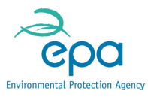
Destination country | Tonnes exported
Belgium | 36,832
Denmark | 105
France | 4,589
Germany1 | 40,098
Great Britian | 54,668
Israel | 292
Netherlands2 | 7,499
Northern Ireland | 1,755
Poland | 625
Spain | 156
Sweden | 57
United States | 149
Total | 146,825
1 Includes 5,676 tonnes of contaminated soil
2 Includes 25 tonnes of contaminated soil

